TeamStatTotals
Goals by Period
Team Stats | Period 1 | 2 | 3 | OT
Goals For | 13 | 9 | 26 | 0
Goal Differential | -15 | -18 | 0 | -1
Goals Against | 28 | 27 | 26 | 1
Penalties | 23 | 25 | 16 | 2
Penalty Minutes | 51 | 46 | 66 | 4
Minutes per Penalty | 2.22 | 1.84 | 4.14 | 2.00
PP Goals (For) | 2 | 2 | 1 | 0
SH Goals (Against) | 1 | 1 | 0 | 1
PK Goals (Against) | 7 | 6 | 3 | 0
SH Goals (For) | 1 | 1 | 0 | 0
Extra Attacker (For) | 3 | 0 | 0 | 0
Empty Net (Against) | 2 | 0 | 0 | 0

Notes/Conclusions/"Things to Notice":
Goal differential as a whole definitely needs to be improved upon… While it may sound obvious, the team needs to maximize on its scoring chances and simultaneously work on better preventing goals against.
The team has the best goal differential in the 3rd period but may have offset this success by averaging about 4 minutes per penalty in this final period (i.e. "crunch time" of games).
The goal differential numbers show that the team could better capitalize on opportunities following 1st intermission adjustments.

TeamStatTotals(TrendsReport)
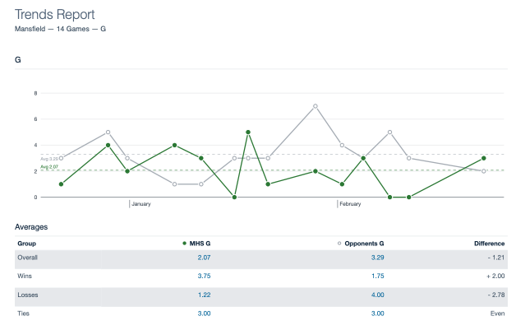
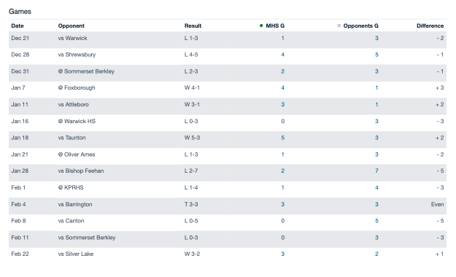
The Trends Report below was generated by Hudl | Notes/Conclusions/"Things to Notice":
 | When comparing goal averages in Mansfield wins/losses, the difference in averages is 2.25 goals (meaning that if the team can somehow allow an average of about two goals less per game, losses could turn into wins).
 | Mansfield wins, on average, had a smaller goal differential than losses (meaning the team got beaten by a larger margin, on average, than the team was able to beat its opponents by).

PlayerTurnover1
Grade 12 accounted for the majority of Forward Goals (70%).
Grade | Sum of G | % of Grand Total
12 (blue) | 16 | 70%
10 (orange) | 4 | 17%
9 (gray) | 3 | 13%
Grand Total | 23

PlayerTurnover2
Out of the 48 total goals scored by MHS, behind T. Gormley, five seniors were among the top nine players in goals scored
Grade | (All)

Player Last Name | Player First Name | Sum of G
Gormley | Patrick | 2
 | Thomas | 16
Gormley Total |  | 18
Davey |  | 8
Gordon |  | 7
Foley |  | 5
Vokey |  | 4
Warren |  | 3
DeGirolamo |  | 2
Flynn |  | 1
Grand Total |  | 48

